Hoja3
4 |  | 3,029,278 |  |  |  | 53 |  | 15,935,547 |  |  | 16 | 11,405 | 9,579,780
Factura | Total USD | Total $ | Def | IVA |  | Nº BOLETA | Total USD | Total $ | Def | IVA | Factura Exp | Total USD | Total $
150 | - | 822,120 | 822,120 | 131,263 | 1125 | 1,125 | - | 520,592 | 520,592 | 83,120 | 6,565 | 819 | -
151 | - | 307,669 | 307,669 | 49,124 | 1126 | 1,126 | - | 436,652 | 436,652 | 69,718 | 6,566 | 650 | 544,518
152 | - | 796,228 | 932,645 | 148,910 | 1127 | 1,127 | - | 1,407,345 | 1,407,345 | 224,702 | 6,567 | 270 | 226,176 | FECHA | SUCURSAL | DESCRIPCION | N° DE | CHEQUES Y |  | DEPOSITOS | SALDO DIARIO
153 | - | 1,103,261 | 1,104,161 | 176,295 | 1128 | 1,128 |  |  | 58,423 | 9,328 | 6,568 | 288 | 2,423 |  |  |  | DOCUMENTO | OTROS CARGOS |  | Y ABONOS
 |  | 3,029,278 | 3,166,595 | 505,591 | 1129 | 1,129 |  |  | 8,000 | 1,277 | 6,569 | 405 | 340,735 | 2023-01-04 | SPATACAMA | DEPOSITO EN EFECTIVO POR CAJA |  |  | 1,341.00 | 30,657.75
 |  |  | 2,661,004 |  | 1130 | 1,130 | - | 303,127 | 303,127 | 48,398 | 6,570 | 540 | 458,546 | 2023-01-04 | OF CENTRA | ABONO OP RECIB 62300004042 | 62300004042 |  | 10,653.99 | 41,311.74
 |  |  |  |  | 1131 | 1,131 | - | 699,144 | 699,144 | 111,628 | 6,571 | 300 | 252,396 | 2023-01-06 | PENALOLEN | CARGO TRF FDOS 15148262303 | 15148262303 | 7,300.00 |  | 34,011.74
IVA Total |  |  |  | 3,080,634 | 1132 | 1,132 | - | 566,098 | 566,098 | 90,385 | 6,572 | 1,004 | 852,624 | 2023-01-06 | OF CENTRA | ABONO OP RECIB 62300009748 | 62300009748 |  | 6,293.85 | 40,305.59
 |  |  |  |  | 1133 | 1,133 | - | 152,523 | 152,523 | 24,352 | 6,573 | 540 | 458,811 | 2023-01-11 | OF CENTRA | ABONO OP RECIB 62300017117 | 62300017117 |  | 7,607.28 | 47,912.87
 |  |  |  |  | 1134 | 1,134 |  |  | 9,000 | 1,437 | 6,574 | 520 | 451,755 | 2023-01-17 | OF CENTRA | ABONO OP RECIB 62300027938 | 62300027938 |  | 5,858.53 | 53,771.40
 |  |  |  |  | 1135 | 1,135 |  |  | 2,000 | 319 | 6,575 | 819 | 701,998 | 2023-01-20 | OF CENTRA | CARGO COMP DIVI 09001656242 | 9001656242 | 30,000.00 |  | 23,771.40
 |  |  |  |  | 1136 | 1,136 | - | 402,489 | 402,489 | 64,263 | 6,576 | 738 | 632,569 | 2023-01-20 | SPATACAMA | DEPOSITO EN EFECTIVO POR CAJA |  |  | 1,300.00 | 25,071.40
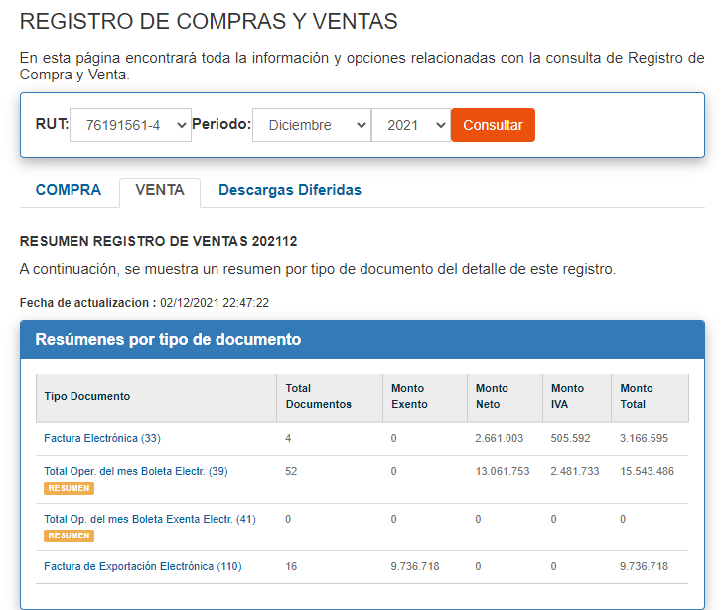
 |  |  |  |  | 1137 | 1,137 |  |  | 12,000 | 1,916 | 6,577 | 820 | 702,855 | 2023-01-23 | OF CENTRA | ABONO OP RECIB 62300038472 | 62300038472 |  | 6,605.16 | 31,676.56
 |  |  |  |  | 1138 | 1,138 |  |  | 2,000 | 319 | 6,578 | 1,148 | 983,568 | 2023-01-23 | OF CENTRA | CARGO COMP DIVI 09001658717 | 9001658717 | 1,300.00 |  | 30,376.56
 |  |  |  |  | 1139 | 1,139 |  |  | 1,000 | 160 | 6,579 | 1,150 | 987,379 | 2023-01-26 | OF CENTRA | ABONO OP RECIB 62300045603 | 62300045603 |  | 5,873.91 | 36,250.47
 |  |  |  |  | 1140 | 1,140 |  |  | 16,000 | 2,555 | 6,580 | 549 | 470,937 | 2023-01-30 | SPATACAMA | DEPOSITO EN EFECTIVO POR CAJA |  |  | 1,020.00 | 37,270.00
 |  |  |  |  | 1141 | 1,141 | - | 556,220 | 556,220 | 88,808 | 6,581 | 1,665 | 1,429,552
 |  |  |  |  | 1142 | 1,142 |  |  | 3,000 | 479 | 6,582 | 440 | -
 |  |  |  |  | 1143 | 1,143 | - | 1,150,173 | 1,150,173 | 183,641 |  |  | 9,496,842
 |  |  |  |  | 1144 | 1,144 | - | 494,198 | 494,198 | 78,906
 |  |  |  |  | 1145 | 1,145 | - | 494,198 | 494,198 | 78,906
 |  |  |  |  | 1146 | 1,146 |  |  | 3,000 | 479
 |  |  |  |  | 1147 | 1,147 | - | 576,620 | 576,620 | 92,065
 |  |  |  |  | 1148 | 1,148 | - | 306,214 | 306,214 | 48,891
 |  |  |  |  | 1149 | 1,149 | - | 441,301 | 441,301 | 70,460
 |  |  |  |  | 1150 | 1,150 | - | 153,179 | 153,179 | 24,457
 |  |  |  |  | 1151 | 1,151 | - | 76,590 | 76,590 | 12,229
 |  |  |  |  | 1152 | 1,152 | - | 404,891 | 404,891 | 64,646
 |  |  |  |  | 1153 | 1,153 | - | 67,580 | 67,580 | 10,790
 |  |  |  |  | 1154 | 1,154 |  |  | 18,000 | 2,874
 |  |  |  |  | 1155 | 1,155 | - | 135,158 | 135,158 | 21,580
 |  |  |  |  | 1156 | 1,156 | - | 909,450 | 909,450 | 145,206
 |  |  |  |  | 1157 | 1,157 | - | 575,000 | 574,207 | 91,680
 |  |  |  |  | 1158 | 1,158 | - | 995,257 | 995,257 | 158,907
 |  |  |  |  | 1159 | 1,159 | - | 794,497 | 794,497 | 126,852
 |  |  |  |  | 1160 | 1,160 | - | 580,298 | 580,298 | 92,653
 |  |  |  |  | 1161 | 1,161 | - | 154,490 | 154,490 | 24,666
 |  |  |  |  | 1162 | 1,162 | - | 154,969 | 154,696 | 24,699
 |  |  |  |  | 1163 | 1,163 | - | 290,606 | 290,606 | 46,399
 |  |  |  |  | 1164 | 1,164 |  |  | 14,000 | 2,235
 |  |  |  |  | 1165 | 1,165 |  |  | 7,000 | 1,118
 |  |  |  |  | 1166 | 1,166 |  |  | 7,000 | 1,118
 |  |  |  |  | 1167 | 1,167 | - | 302,214 | 302,214 | 48,253
 |  |  |  |  | 1168 | 1,168 |  |  | 6,000 | 958
 |  |  |  |  | 1169 | 1,169 |  |  | 6,000 | 958
 |  |  |  |  | 1170 | 1,170 |  |  | 4,000 | 639
 |  |  |  |  | 1171 | 1,171 |  |  | 4,000 | 639
 |  |  |  |  | 1172 | 1,172 |  |  | 2,000 | 319
 |  |  |  |  | 1173 | 1,173 | - | 642,598 | 642,598 | 102,600
 |  |  |  |  | 1174 | 1,174 |  |  | 7,000 | 1,118
 |  |  |  |  | 1175 | 1,175 | - | 607,458 | 607,458 | 96,989
 |  |  |  |  | 1176 | 1,176 |  |  | 4,000 | 639
 |  |  |  |  | 1177 | 1,177 | - | 584,418 | 584,418 | 93,310
 |  |  |  |  |  |  |  | 15,935,547 | 16,127,904 | 2,575,043
 |  |  |  |  |  |  |  |  | 13,552,861
 |  |  |  |  |  |  |  |  | 15,543,486
 |  |  |  |  |  |  |  |  | 584,418

